Sheet1


RATE ANALYSIS
Chilled water pipe Insulation

S. # | Description | Material Rate | Wastage 05% | Cons Glue / Tape 10% | Over Head profit 25% | Total Rate | Unit | Qty | Amount
 | Brand: XLPE Aerofoam
 | Aerofoam insulation on chilled water pipe.
i | 25mm dia | 4,799 | 240 | 480 | 1,380 | 6,899 | Rm | 5 | 34,495 | 6200 | 1240 | 1,463 | 4,799
ii | 32mm dia | 6,096 | 305 | 610 | 1,753 | 8,763 | Rm | 1 | 8,763 | 7875 | 1575 | 1,859 | 6,096
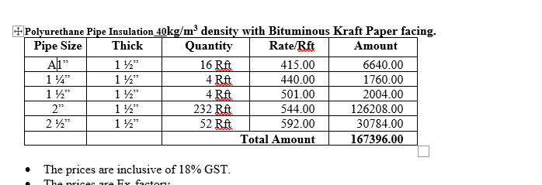
iii | 40mm dia | 6,502 | 325 | 650 | 1,869 | 9,347 | Rm | 1 | 9,347 | 8400 | 1680 | 1,982 | 6,502
iv | 50mm dia | 6,982 | 349 | 698 | 2,007 | 10,037 | Rm | 70 | 702,584 | 9020 | 1804 | 2,129 | 6,982
v | 60mm dia | 7,818 | 391 | 782 | 2,248 | 11,239 | Rm | 15 | 168,580 | 10100 | 2020 | 2,384 | 7,818
 | Total Amount Rs |  |  |  |  |  |  |  | 923,769

S. # | Description | Material Rate | Wastage 05% | Cons Glue / Tape 10% | Over Head profit 25% | Total Rate | Unit | Qty | Amount
 | Brand: PU
 | Polyurethane insulation (PU) on chilled water pipe.
i | 25mm dia | 1,837 | 92 | 184 | 528 | 2,640 | Rm | 5 | 13,202 | 560 | 1836.8 | 2,167 | 7,109
ii | 32mm dia | 2,001 | 100 | 200 | 575 | 2,876 | Rm | 1 | 2,876 | 610 | 2000.8 | 2,361 | 7,744
iii | 40mm dia | 2,181 | 109 | 218 | 627 | 3,135 | Rm | 1 | 3,135 | 665 | 2181.2 | 2,574 | 8,442
iv | 50mm dia | 2,263 | 113 | 226 | 651 | 3,253 | Rm | 70 | 227,735 | 690 | 2263.2 | 2,671 | 8,759
v | 60mm dia | 2,575 | 129 | 257 | 740 | 3,701 | Rm | 15 | 55,519 | 785 | 2574.8 | 3,038 | 9,966
 | Total Amount Rs |  |  |  |  |  |  |  | 302,467

Note: Suppliers' quotations attached.

